Sheet1
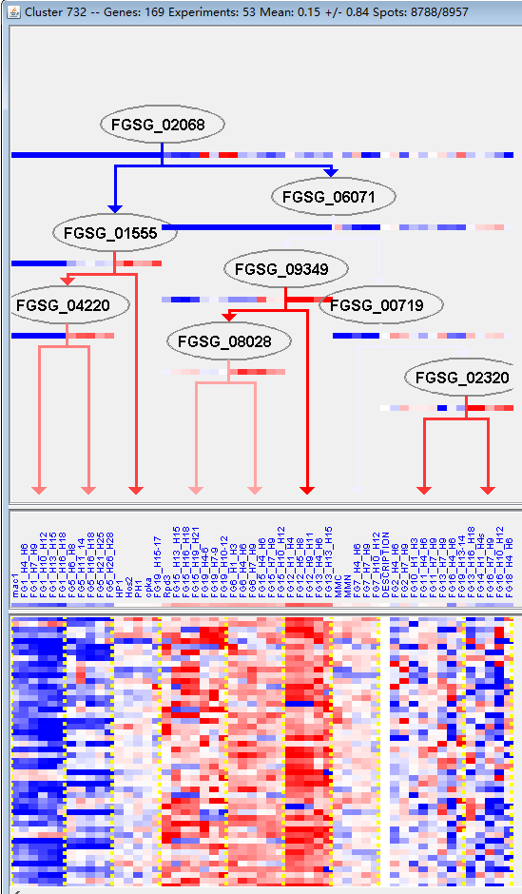
k | Filter | FUNCTIONAL CATEGORY | abs SET | rel SET | genes SET | abs GENOME | rel GENOME | rel SET/rel GENOME | P-VALUE | Bonferroni_corr | FDR
01.05 C-compound and carbohydrate metabolism | 43 | 29.2 | FGSG_00032 FGSG_00989 FGSG_01621 FGSG_01742 FGSG_01759 FGSG_01812 FGSG_02165 FGSG_11550 FGSG_03922 FGSG_12386 FGSG_03742 FGSG_03729 FGSG_03413 FGSG_03406 FGSG_03366 FGSG_03243 FGSG_12489 FGSG_03186 FGSG_03049 FGSG_03034 FGSG_04773 FGSG_04969 FGSG_06869 FGSG_13189 FGSG_07721 FGSG_07772 FGSG_13224 FGSG_08824 FGSG_08054 FGSG_08046 FGSG_08042 FGSG_13450 FGSG_08024 FGSG_09088 FGSG_13514 FGSG_09121 FGSG_09882 FGSG_13787 FGSG_10670 FGSG_13865 FGSG_10986 FGSG_11498 FGSG_11316 | 1547 | 11.1 | 2.630630631 | 1.67E-09
01.20 secondary metabolism | 26 | 17.6 | FGSG_01742 FGSG_02165 FGSG_02387 FGSG_11550 FGSG_04621 FGSG_03742 FGSG_03729 FGSG_03696 FGSG_03406 FGSG_03213 FGSG_12489 FGSG_03034 FGSG_04717 FGSG_04969 FGSG_05063 FGSG_05806 FGSG_07888 FGSG_08824 FGSG_13450 FGSG_08024 FGSG_09086 FGSG_09121 FGSG_13787 FGSG_11106 FGSG_11038 FGSG_10986 | 627 | 4.53 | 3.885209713 | 2.11E-09
01 METABOLISM | 66 | 44.8 | FGSG_00032 FGSG_00137 FGSG_11721 FGSG_00989 FGSG_01621 FGSG_01742 FGSG_01759 FGSG_01812 FGSG_01813 FGSG_02165 FGSG_02387 FGSG_11550 FGSG_04621 FGSG_03922 FGSG_03808 FGSG_03780 FGSG_12386 FGSG_03742 FGSG_03730 FGSG_03729 FGSG_03696 FGSG_03413 FGSG_03406 FGSG_03366 FGSG_03243 FGSG_03213 FGSG_12489 FGSG_03186 FGSG_03049 FGSG_03034 FGSG_04717 FGSG_04773 FGSG_04969 FGSG_04970 FGSG_05063 FGSG_05806 FGSG_06613 FGSG_06869 FGSG_13189 FGSG_07721 FGSG_07772 FGSG_13224 FGSG_07888 FGSG_08824 FGSG_08652 FGSG_08093 FGSG_08054 FGSG_08046 FGSG_08042 FGSG_13450 FGSG_08024 FGSG_09086 FGSG_09088 FGSG_13514 FGSG_09121 FGSG_09882 FGSG_10534 FGSG_13787 FGSG_10670 FGSG_11106 FGSG_11089 FGSG_11038 FGSG_13865 FGSG_10986 FGSG_11498 FGSG_11316 | 3402 | 24.6 | 1.821138211 | 5.60E-08
32.07 detoxification | 21 | 14.2 | FGSG_00032 FGSG_01742 FGSG_02341 FGSG_02343 FGSG_11550 FGSG_03729 FGSG_03696 FGSG_03243 FGSG_04717 FGSG_04804 FGSG_04969 FGSG_04976 FGSG_05063 FGSG_05806 FGSG_07720 FGSG_13224 FGSG_08093 FGSG_09086 FGSG_09121 FGSG_11038 FGSG_11498 | 520 | 3.76 | 3.776595745 | 1.40E-07
01.06 lipid, fatty acid and isoprenoid metabolism | 24 | 16.3 | FGSG_01759 FGSG_01812 FGSG_11550 FGSG_03808 FGSG_03780 FGSG_03729 FGSG_03696 FGSG_03243 FGSG_12489 FGSG_04717 FGSG_04969 FGSG_05063 FGSG_06613 FGSG_07721 FGSG_07888 FGSG_08652 FGSG_08042 FGSG_08024 FGSG_09088 FGSG_09121 FGSG_09882 FGSG_11089 FGSG_11038 FGSG_13865 | 850 | 6.14 | 2.654723127 | 1.01E-05
32 CELL RESCUE, DEFENSE AND VIRULENCE | 33 | 22.4 | FGSG_00032 FGSG_01621 FGSG_01742 FGSG_01759 FGSG_02341 FGSG_02343 FGSG_11550 FGSG_04060 FGSG_03780 FGSG_03729 FGSG_03696 FGSG_03413 FGSG_03409 FGSG_03366 FGSG_03243 FGSG_12489 FGSG_12490 FGSG_04717 FGSG_04804 FGSG_04969 FGSG_04976 FGSG_05063 FGSG_05806 FGSG_07720 FGSG_07757 FGSG_13224 FGSG_08093 FGSG_08042 FGSG_09086 FGSG_09121 FGSG_11038 FGSG_13865 FGSG_11498 | 1452 | 10.5 | 2.133333333 | 1.83E-05
01.20.17 metabolism of secondary products derived from primary amino acids | 7 | 4.76 | FGSG_04621 FGSG_03742 FGSG_03034 FGSG_08824 FGSG_13450 FGSG_08024 FGSG_10986 | 96 | 0.69 | 6.898550725 | 7.20E-05
02.16.01 alcohol fermentation | 5 | 3.4 | FGSG_01759 FGSG_02165 FGSG_12386 FGSG_08054 FGSG_11316 | 56 | 0.4 | 8.5 | 0.000313387
32.07.03 detoxification by modification | 5 | 3.4 | FGSG_01742 FGSG_03729 FGSG_03696 FGSG_04969 FGSG_05063 | 60 | 0.43 | 7.906976744 | 0.000433082
01.20.17.03 metabolism of amines | 4 | 2.72 | FGSG_04621 FGSG_03742 FGSG_03034 FGSG_10986 | 35 | 0.25 | 10.88 | 0.000497056
16.21.07 NAD/NADP binding | 9 | 6.12 | FGSG_01759 FGSG_03742 FGSG_03034 FGSG_06869 FGSG_08024 FGSG_09088 FGSG_13514 FGSG_13865 FGSG_10986 | 231 | 1.67 | 3.664670659 | 0.00081201
02.16 fermentation | 6 | 4.08 | FGSG_01759 FGSG_01812 FGSG_02165 FGSG_12386 FGSG_08054 FGSG_11316 | 109 | 0.78 | 5.230769231 | 0.001075267
16.21 complex cofactor/cosubstrate/vitamine binding | 14 | 9.52 | FGSG_01759 FGSG_04621 FGSG_03742 FGSG_03034 FGSG_04717 FGSG_06869 FGSG_08824 FGSG_08024 FGSG_09086 FGSG_09088 FGSG_13514 FGSG_10534 FGSG_13865 FGSG_10986 | 514 | 3.71 | 2.566037736 | 0.001160256
32.07.01 detoxification involving cytochrome P450 | 6 | 4.08 | FGSG_00032 FGSG_04717 FGSG_05806 FGSG_09086 FGSG_11038 FGSG_11498 | 111 | 0.8 | 5.1 | 0.001181656
32.05 disease, virulence and defense | 13 | 8.84 | FGSG_01759 FGSG_02343 FGSG_04060 FGSG_03413 FGSG_03409 FGSG_12489 FGSG_12490 FGSG_04717 FGSG_07720 FGSG_07757 FGSG_11038 FGSG_13865 FGSG_11498 | 507 | 3.66 | 2.415300546 | 0.002944761
32.05.03 defense related proteins | 5 | 3.4 | FGSG_01759 FGSG_12489 FGSG_04717 FGSG_13865 FGSG_11498 | 92 | 0.66 | 5.151515152 | 0.002973303
01.07.03 catabolism of vitamins, cofactors, and prosthetic groups | 2 | 1.36 | FGSG_06869 FGSG_13514 | 8 | 0.05 | 27.2 | 0.003014527
20.01.15 electron transport | 11 | 7.48 | FGSG_01759 FGSG_01812 FGSG_04621 FGSG_03742 FGSG_03034 FGSG_04717 FGSG_05806 FGSG_09086 FGSG_11038 FGSG_13865 FGSG_10986 | 398 | 2.87 | 2.606271777 | 0.003505144
01.20.17.09 metabolism of alkaloids | 3 | 2.04 | FGSG_08824 FGSG_13450 FGSG_08024 | 31 | 0.22 | 9.272727273 | 0.004256048
20.01 transported compounds (substrates) | 28 | 19 | FGSG_01742 FGSG_01759 FGSG_01812 FGSG_02278 FGSG_02331 FGSG_02343 FGSG_04621 FGSG_03780 FGSG_03742 FGSG_03409 FGSG_03366 FGSG_12485 FGSG_12490 FGSG_03034 FGSG_04717 FGSG_04723 FGSG_04804 FGSG_04976 FGSG_05806 FGSG_07594 FGSG_07720 FGSG_07888 FGSG_08093 FGSG_09086 FGSG_11038 FGSG_13865 FGSG_10986 FGSG_11486 | 1597 | 11.5 | 1.652173913 | 0.00515246
01.01.09.01.01 biosynthesis of glycine | 3 | 2.04 | FGSG_03742 FGSG_03034 FGSG_10986 | 36 | 0.26 | 7.846153846 | 0.006504144
32.10 degradation / modification of foreign (exogenous) compounds | 4 | 2.72 | FGSG_01621 FGSG_04060 FGSG_03243 FGSG_13224 | 77 | 0.55 | 4.945454545 | 0.009111784
32.05.05 virulence, disease factors | 7 | 4.76 | FGSG_02343 FGSG_04060 FGSG_03413 FGSG_03409 FGSG_12490 FGSG_07757 FGSG_11038 | 222 | 1.6 | 2.975 | 0.009592583
01.01.06.06.01.01 diaminopimelic acid pathway | 2 | 1.36 | FGSG_00137 FGSG_01813 | 15 | 0.1 | 13.6 | 0.010766587
01.01.09.01 metabolism of glycine | 3 | 2.04 | FGSG_03742 FGSG_03034 FGSG_10986 | 48 | 0.34 | 6 | 0.014365796
32.05.01.03.01 organic chemical agent resistance | 1 | 0.68 | FGSG_02343 | 2 | 0.01 | 68 | 0.021152003
16.21.05 FAD/FMN binding | 5 | 3.4 | FGSG_04621 FGSG_03742 FGSG_03034 FGSG_08824 FGSG_10986 | 151 | 1.09 | 3.119266055 | 0.022560415
01.20.35.01 metabolism of phenylpropanoids | 3 | 2.04 | FGSG_02165 FGSG_03213 FGSG_11106 | 62 | 0.44 | 4.636363636 | 0.028224969
02 ENERGY | 12 | 8.16 | FGSG_00032 FGSG_01759 FGSG_01812 FGSG_02165 FGSG_12386 FGSG_03413 FGSG_03186 FGSG_08054 FGSG_09720 FGSG_09882 FGSG_13865 FGSG_11316 | 609 | 4.4 | 1.854545455 | 0.02908928
01.20.01 metabolism of primary metabolic sugar derivatives | 2 | 1.36 | FGSG_03406 FGSG_08024 | 26 | 0.18 | 7.555555556 | 0.030885667
01.07 metabolism of vitamins, cofactors, and prosthetic groups | 8 | 5.44 | FGSG_01759 FGSG_02387 FGSG_03366 FGSG_06869 FGSG_08093 FGSG_13514 FGSG_10534 FGSG_13865 | 346 | 2.5 | 2.176 | 0.031569135
01.01.05.03 metabolism of urea (urea cycle) | 2 | 1.36 | FGSG_11721 FGSG_01813 | 27 | 0.19 | 7.157894737 | 0.033127986
01.20.35 metabolism of secondary products derived from L-phenylalanine and L-tyrosine | 3 | 2.04 | FGSG_02165 FGSG_03213 FGSG_11106 | 68 | 0.49 | 4.163265306 | 0.035733846
20.01.27 drug/toxin transport | 5 | 3.4 | FGSG_02343 FGSG_04804 FGSG_04976 FGSG_07720 FGSG_08093 | 171 | 1.23 | 2.764227642 | 0.035878034
01.05.03 polysaccharide metabolism | 7 | 4.76 | FGSG_03922 FGSG_03742 FGSG_03186 FGSG_04773 FGSG_13189 FGSG_07721 FGSG_10670 | 291 | 2.1 | 2.266666667 | 0.035935317
01.07.01 biosynthesis of vitamins, cofactors, and prosthetic groups | 5 | 3.4 | FGSG_01759 FGSG_06869 FGSG_13514 FGSG_10534 FGSG_13865 | 179 | 1.29 | 2.635658915 | 0.042322091
32.10.07 degradation / modification of foreign (exogenous) polysaccharides | 2 | 1.36 | FGSG_01621 FGSG_04060 | 31 | 0.22 | 6.181818182 | 0.042699658
01.01 amino acid metabolism | 12 | 8.16 | FGSG_00137 FGSG_11721 FGSG_01813 FGSG_03742 FGSG_03730 FGSG_03186 FGSG_03034 FGSG_04970 FGSG_05806 FGSG_10534 FGSG_11106 FGSG_10986 | 649 | 4.69 | 1.739872068 | 0.043928833
01.01.06.06.01 biosynthesis of lysine | 2 | 1.36 | FGSG_00137 FGSG_01813 | 32 | 0.23 | 5.913043478 | 0.045235627
01.06.06 isoprenoid metabolism | 5 | 3.4 | FGSG_01759 FGSG_04717 FGSG_09088 FGSG_11038 FGSG_13865 | 184 | 1.33 | 2.556390977 | 0.046682899

01.05 c -化合物和碳水化合物代谢
01.20二次代谢

